Exercise 1
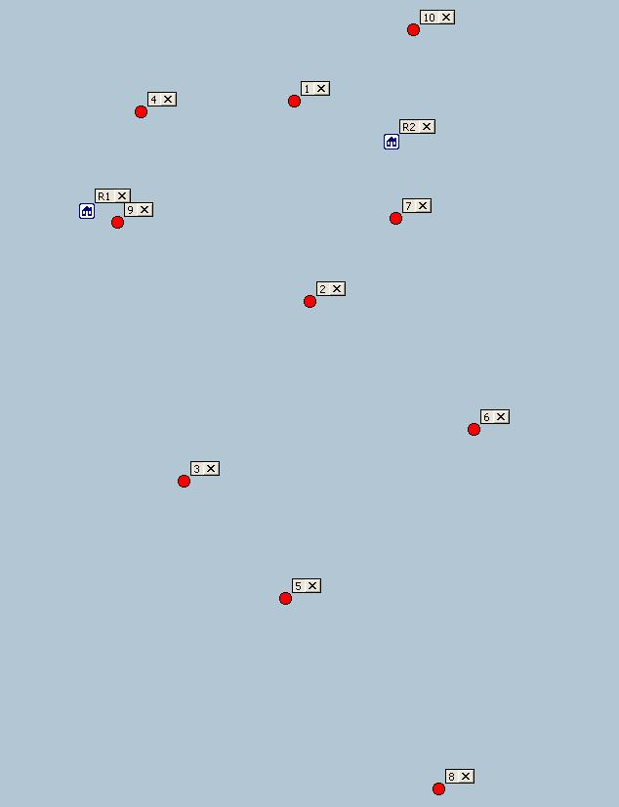
 | R1 | R2 | 1 | 2 | 3 | 4 | 5 | 6 | 7 | 8 | 9 | 10
R1 |  |  | 15 | 15 | 18 | 7 | 28 | 28 | 20 | 43 | 2 | 24
R2 |  |  | 6 | 11 | 25 | 16 | 30 | 19 | 5 | 42 | 18 | 7
1 | 15 | 6 |  | 13 | 25 | 10 | 32 | 24 | 10 | 45 | 13 | 8
2 | 15 | 11 | 13 |  | 14 | 16 | 19 | 13 | 7 | 32 | 13 | 18
3 | 18 | 25 | 25 | 14 |  | 24 | 10 | 19 | 21 | 25 | 17 | 32
4 | 7 | 16 | 10 | 16 | 24 |  | 32 | 29 | 17 | 47 | 7 | 18
5 | 28 | 30 | 32 | 19 | 10 | 32 |  | 16 | 25 | 15 | 26 | 37
6 | 28 | 19 | 24 | 13 | 19 | 29 | 16 |  | 14 | 23 | 26 | 26
7 | 20 | 5 | 10 | 7 | 21 | 17 | 25 | 14 |  | 37 | 18 | 12
8 | 43 | 42 | 45 | 32 | 25 | 47 | 15 | 23 | 37 |  | 42 | 49
9 | 2 | 18 | 13 | 13 | 17 | 7 | 26 | 26 | 18 | 42 |  | 22
10 | 24 | 7 | 8 | 18 | 32 | 18 | 37 | 26 | 12 | 49 | 22

There are two resources R1 and R2
Between them they must carry out 10 activities, labelled 1-10 (as indicated in the diagram on the right)
The table above shows the distances between each activity, and from the resources' home locations to each activity
The distances are symmetric, but for convenience values have been filled in for each direction
Each resource must start and end the day at their home location
Each resource is capable of carrying out up to 6 activities in the day

Your task is to construct routes for each resource so that the total distance travelled is as small as possible
Please provide your code or pseudocode (in a language of your choice) and output to show your answer.
Please also explain how you came to your answer - this is more important than the answer itself.

